1. Title Page
Instacart Basket Analysis

Project Name: Instacart Grocery Basket Analysis
Date:
Analyst Name:Keerthi Krishnamurthy

Contents:
Population Flow
Consistency checks
Wrangling steps
Column derivations
Visualizations
Recommendations

2. Population Flow
Title page

Population flow

Exclusion flag
Condition: max_order < 5
Obervations to be removed:
Final total count of order_products_all: 32,404,859

Orders_products_combined
Orders_products_merged
Orders_products_final

Total: 32,404,859
Total: 32,434,489
Total: 32,404,859

1.) The grey boxes in the first row of the population flow represent the original data sets as they were when you downloaded them. In the Total fields you need to add the count of the rows when you imported the data set into Jupyter.
2.) The second row of boxes (coloured) represents the data sets after you manipulated them, e.g., removed missing values and duplicates. In the Total fields you need to add the count of the rows after conducting these operations. This offers a visual oveview of how the data flows throughout the data consistency checks.
3.) The third row, where also the arrows are coloured, represents the merges you performed between the datasets. In the Total fields you need to add the count of the rows in the merged datasets, so that you end up with the final dataset (in the red box). Keep in mind the final dataset should be without exclusions (based on the exclusion flag).

3. Consistency checks
 |  |  |  | Title page
Consistency checks

Dataset | Missing values | Missing values treatment | Duplicates
products | 16 NULL cells in product name | As the number of missing values were few, new data frame without NULL is created. | 5 duplicate dropped
orders | 206209 missing values in days_since_prior_order | As this is a huge number of missing values, I decided to go with imputation with median value | No duplicates
customers | none | none | none
Order_prior | none | none | none

4. Wrangling steps
 |  |  |  | Title page
Wrangling steps

Columns dropped | Columns renamed | Columns' type changed | Comment/Reason
 |  | user_id and and order_id from Numeric to String | These fileds do not represent any numerical value but represent unique IDs. No statistics are going to be useful and hence they are changed to string.
 | order_dow (orders.csv data ) |  | Changed from order_dow to Oders_day_of_the _week to give clear picture of what the field value represents
eval_set (orders.csv data) |  |  | This is not relevant for our analysis
first_name (customers.csv data) |  |  | This is not relevant for our analysis and for privacy protection
surname(customers.csv data) |  |  | This is not relevant for our analysis and for privacy protection
 | gender (customers.csv data) |  | for the better understanding and uniformity
 | state (customers.csv data) |  | for the better understanding and uniformity
 | age (customers.csv data) |  | for the better understanding and uniformity
 | date_joined (customers.csv data) |  | for the better understanding and uniformity
 | n_dependents (customers.csv data) |  | for the better understanding and uniformity
 | fam_status (customers.csv data) |  | for the better understanding and uniformity
 | income (customers.csv data) |  | for the better understanding and uniformity
 |  | first_name - to String | Due to mixed data types in the column, the filed type changed to string

5. Column derivations
 |  |  |  | Title page

Column derivations and aggregations

In this tab you should add tables below that the frequences of flags/label variables that you produced after deriving them. NB: don't do this for continuous variables, only for flags.
Dataset | New column | Column/s it was derived from | Conditions
orders_products_merged_variable.pkl | price_range_loc | prices | If price <= $5, then "low-range product" If price >$5 & <= $15, then "mid-range product" If price >$15, then “high-range product.”
orders_products_merged_variable.pkl | busiest_days | orders_day_of_week | If day 0 or 1, then "Busiest days" If day 3 or 4, then "Slowest days" If else, then "Regularl days"
orders_products_merged_variable.pkl | busiest_hours | order_hour_of_day | If order hour btween 10 and 16, then "Most orders" If order hour between 0 and 5, then "Fewest orders" If else, then "Average orders"
orders_merged_flagged.pkl | max_order | order_number | Calculating the maximum order number by grouping user_id
orders_merged_flagged.pkl | loyalty_flag | max_order | If max_order > 40, then "Loyal customer" If max_order >10 but <= 40, then "Regular customer" If max_order <=10, then "New customer"
orders_merged_flagged.pkl | averge_price | prices | average prices grouped by user_id
orders_merged_flagged.pkl | spender_flag | averge_price | If mean_price <10, then "Low spender" If mean_price >=, then "High spender"
orders_merged_flagged.pkl | order_frequency | days_since_prior_order | median of days_since_prior_order grouped by user_id
orders_merged_flagged.pkl | frequency_flag | order_frequency | If median >20, then "Non-frequent customer" If median >10 & <=20, then "Regular customer" If median <=10, then "Frequent customer"
Orders_products_customer_depart | Region | State | region1 = ['Maine', 'New Hampshire', 'Vermont', 'Massachusetts', 'Rhode Island', 'Connecticut', 'New York', 'Pennsylvania', 'New Jersey']
 |  |  | region2 = ['Wisconsin', 'Michigan', 'Illinois', 'Indiana', 'Ohio', 'North Dakota', 'South Dakota', 'Nebraska', 'Kansas', 'Minnesota', 'Iowa', 'Missouri']
 |  |  | region3 = ['Delaware', 'Maryland', 'District of Columbia', 'Virginia', 'West Virginia', 'North Carolina', 'South Carolina', 'Georgia', 'Florida', 'Kentucky', 'Tennessee', 'Mississippi', 'Alabama', 'Oklahoma', 'Texas', 'Arkansas', 'Louisiana']
 |  |  | region4 = ['Idaho', 'Montana', 'Wyoming', 'Nevada', 'Utah', 'Colorado', 'Arizona', 'New Mexico', 'Alaska', 'Washington', 'Oregon', 'California', 'Hawaii']
Orders_products_customer_depart | activity_flag | max_order' | If 'max_order' <= 5, then 'low_activity_customer'; If 'max_order' >5, then 'normal_activity_customer'
Orders_products_customer_depart | age_profile | age | if age<=30 then 'young-age adult' if age >30 and age<=55 then 'Middle age-adult' if age > 55 then 'Old age-adult'
Orders_products_customer_depart | income_profile | income | income <= 100000 then 'low income' income >100000 and income <=200000 then 'Medium income' income >200000 and income <=400000 then 'Uppper medium income' income >400000 then 'High income'
Orders_products_customer_depart | dep_profile | dependent_nbr | dependents_nbr=0 then 'Single' dependents_nbr in(1,2) then 'Small family' dependents_nbr >2 then 'Big family'
Orders_products_customer_depart | animal_product_flag | department | departments in (12,16 and 20) then 1 else 0. 12 is for meat/seasfood 16 dairy and eggs 20 is deli
Orders_products_customer_depart | veg_nonv_flag | animal_product_flag | set max(animal_product_flag) grouped by user_id. This will set 1 if user has ever bought any animal based food. Else 0
Orders_products_customer_depart | vegan_flag | veg_nonv_flag | set 'vegan' if flag is 0, else 'non-vegan'

6. Visualizations
 |  |  |  |  |  | Title page

Visualisations

In this tab you should include all the visualtions from Exercises 4.9 and 4.10, alongside the questions from the project brief that they answer. Include any commentary on the relationship between different variables.

The sales team needs to know what the busiest days of the week and hours of the days are in order to schedule ads at times where there are fewer orders.
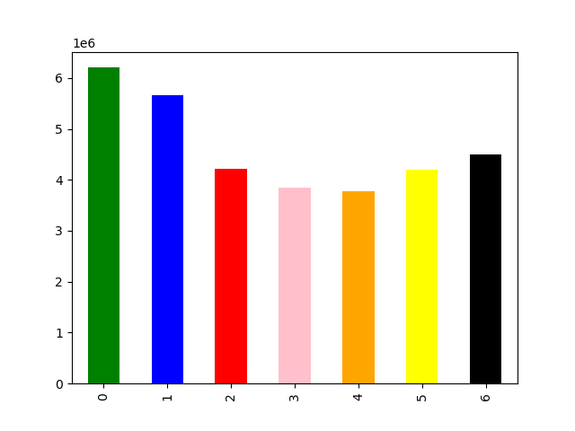
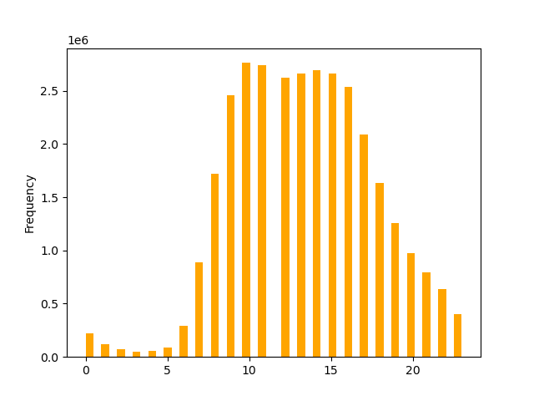

 | Most shopping happens on Saturday sundays, least shopping happens on Tuesday and Wednesday. Rest days are regular with average shopping. |  | Histogram shows how orders are distributed throughout the day. Most orders are placed between 10 AM and 5 PM(17) . Least order of the days are from 12 AM and 5 AM. Rest of the day shows average orders.

Sales also want to know whether there are particular times of the day when people spend the most money, as this might inform the type of products they advertise at these times.

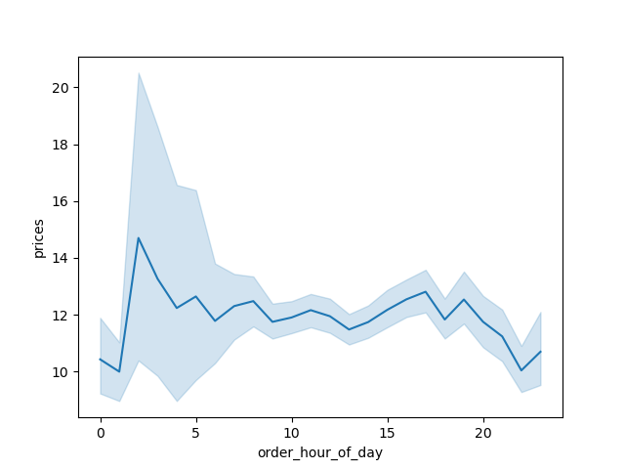

 |  |  |  |  | the line graph dipicts that people spend stable throughout the day except for mid night and early morning. 11 PM to 1 AM shows the least spedings and 1 AM to 4 AM shows a sudden peak.

What's the distribution of orders among customers in terms of loyalty?

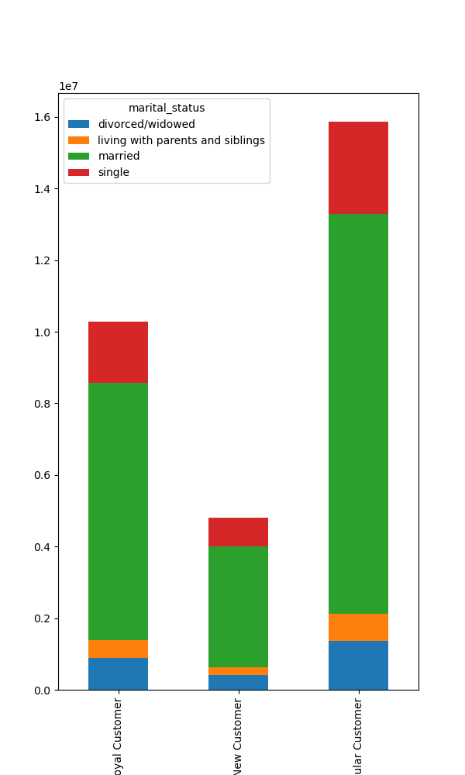
 |  |  | Does marital status has any impact on shopping among loyal customers?
 |  |  | clearly the picture shows that married customers places most orders , followed by singles.

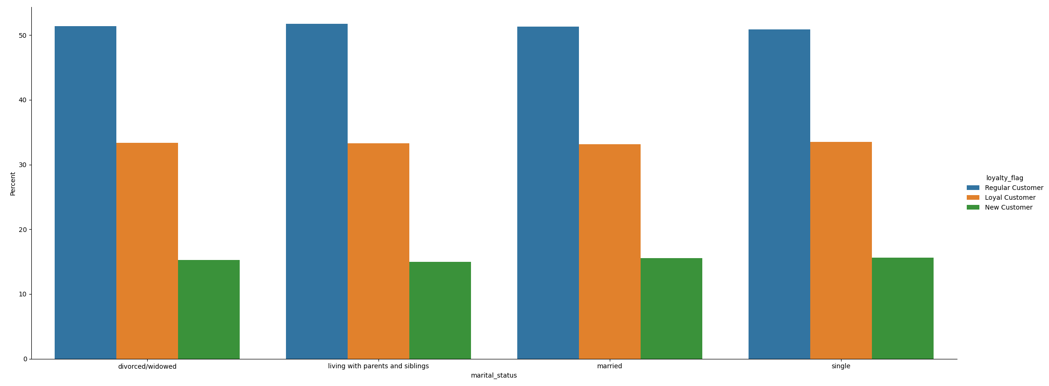

51 % of the customers are regular customer and 33 % are loyal and 16 % are new customers.

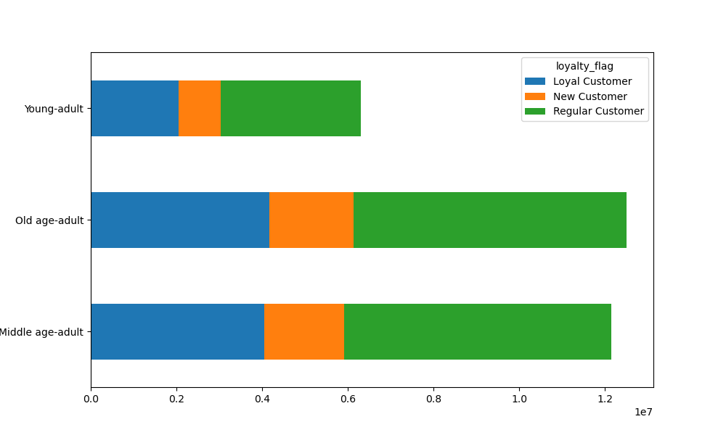
Age grouping to loyal customer distribution shows most loyal customers are old and middle aged adults. They also make up huge count of regular and new customers as well. Most young adulta are regular customers.

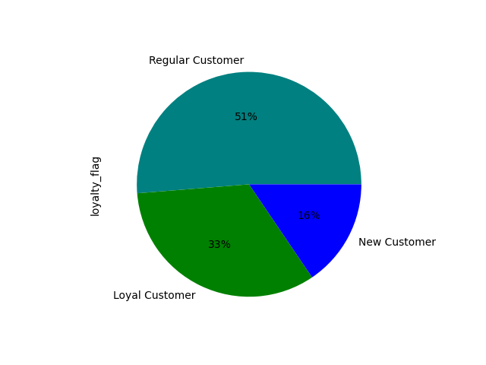

Are there differences in ordering habits based on a customer's region?
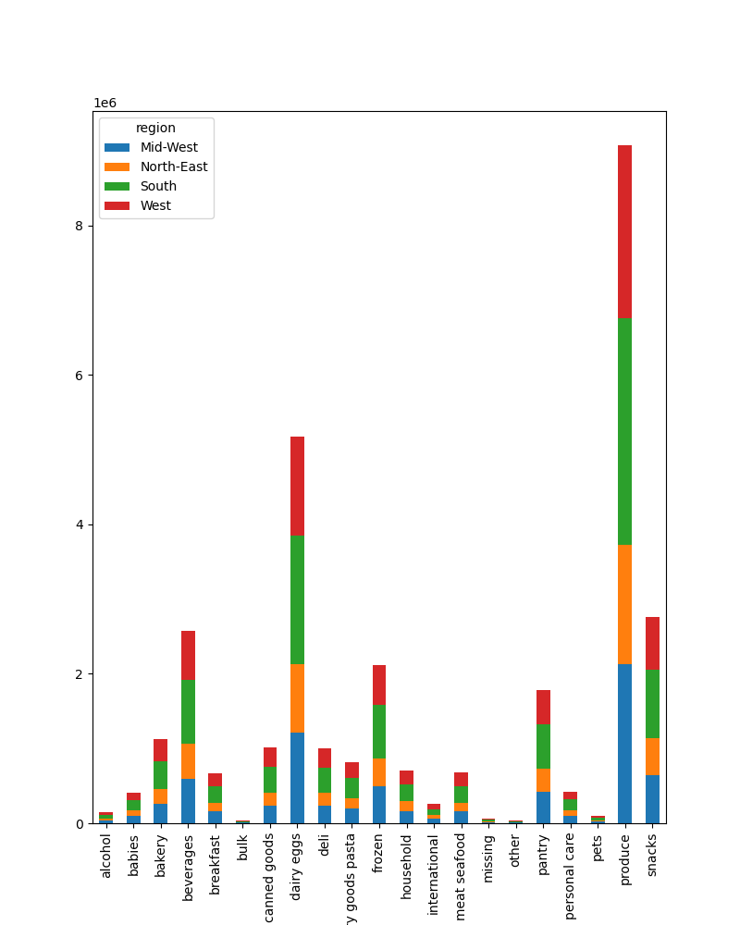
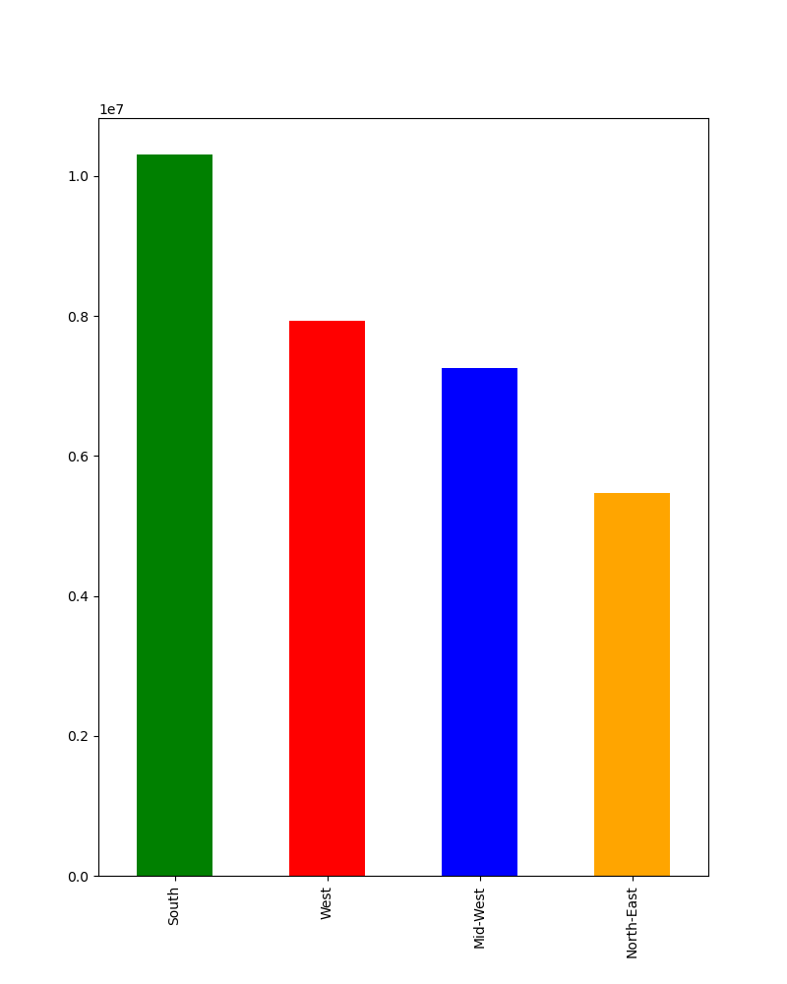

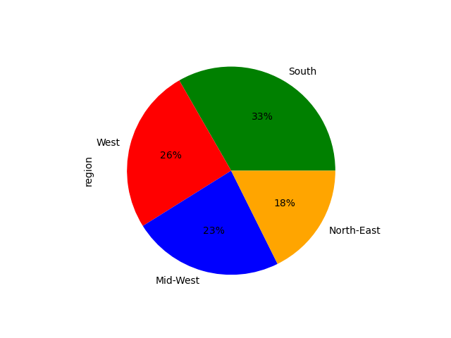

 |  |  | The graph on left shows total revenue generated across different departments of product in different regions. This is inline with the customer counts across diffferent regions on the right side. As noted, produce is the popular product category among all customers.

Explore whether there is a connection between age and spending power using a scatterplot.


 |  |  |  |  | As you can see age to income, there is no clear linear relationship. There are no customers under 40 year old with very high income(>400000).but after 40 years, ther is no strong correlation found between age and income.

Determine whether there's a connection between age and family situations be creating a line chart exploring the connections between age and number of dependants.
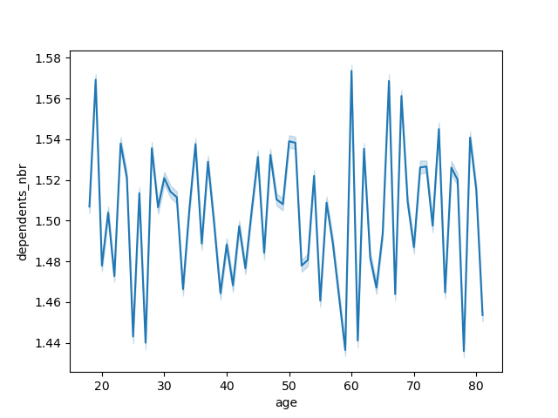

 |  |  | There is no corrleation between age and depedents found.

Show the distribution of profiles (for a created profile variable, as per the direction in task 10)

age and ordering behaviour during different hours of the day

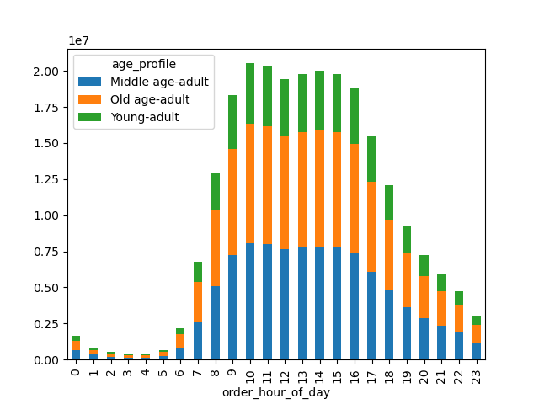

age profile to ordering days

age and ordering behaviour during days of week

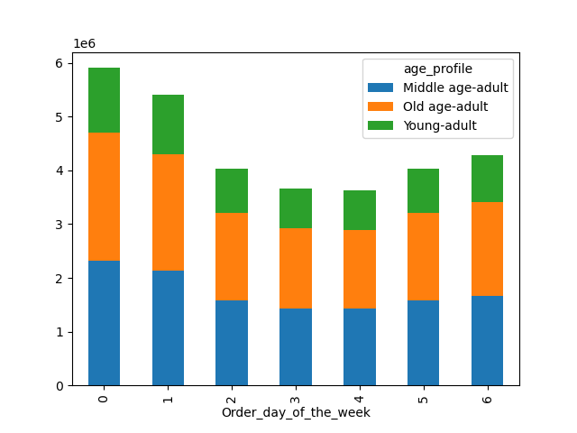 |  |  |  | the first two charts displays the ordering habits throught the day and week. Middle and old age customers are more active on the platform. During the fewest order days like Tuesday and Wednesday, old age adults are the active. In terms of hours of the day, there are times old age and middle age customers are placing oders equally.

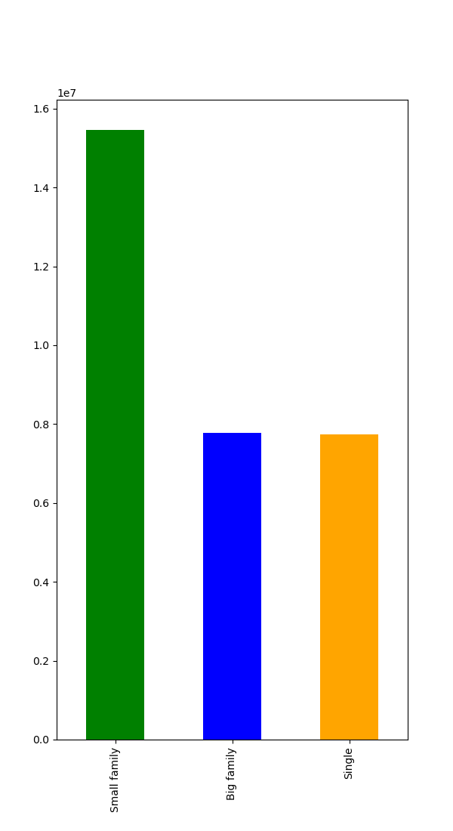
Dependents(household size) to order habits
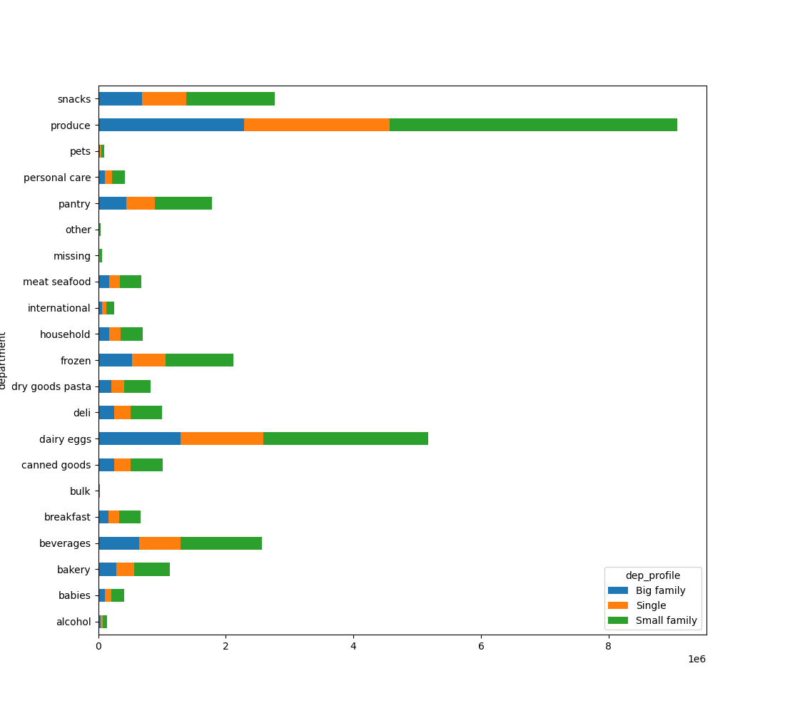

Marital status and ordering hours

 | Customers age income group by region

 |  |  |  | There are almost twice small family customers compared to big families and singles. They also buy most produces and lead almost all product categories. Surprisingly the number of customer in big family and singles are almost same, orders placed by them is also in same numbers despite the family size differnece.

Marital status and their spending hours
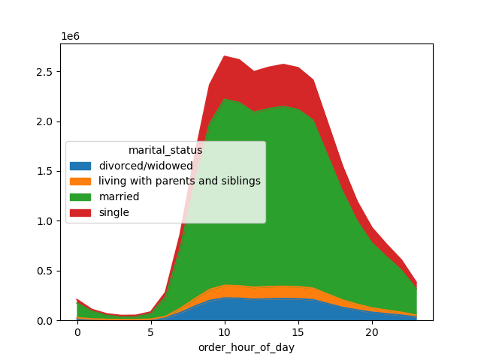

 |  |  | The area chart shows married customers are the one placing most orders during the peak time.

 | Customer income profile

 | The below chart shows that most customers are from 100 K or ower income category

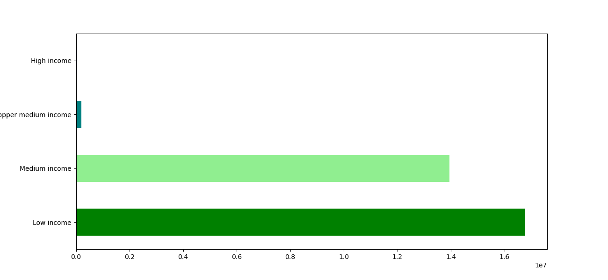

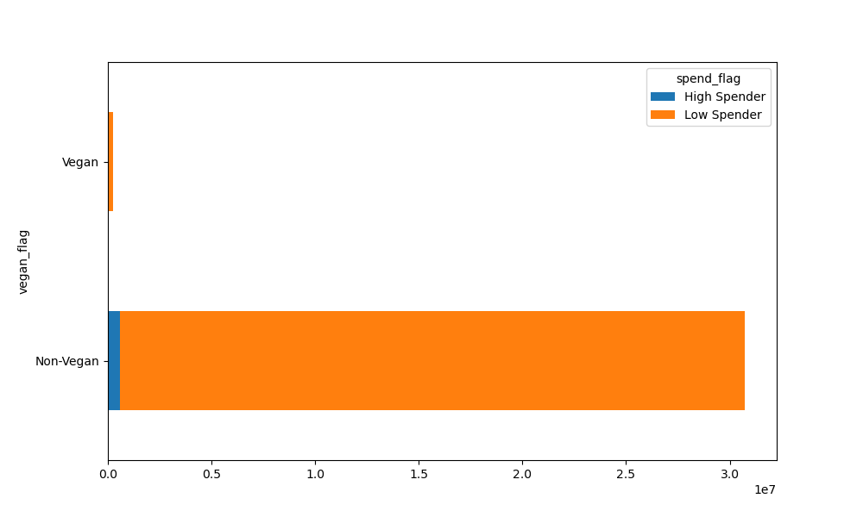
 | vegan customers and spedings
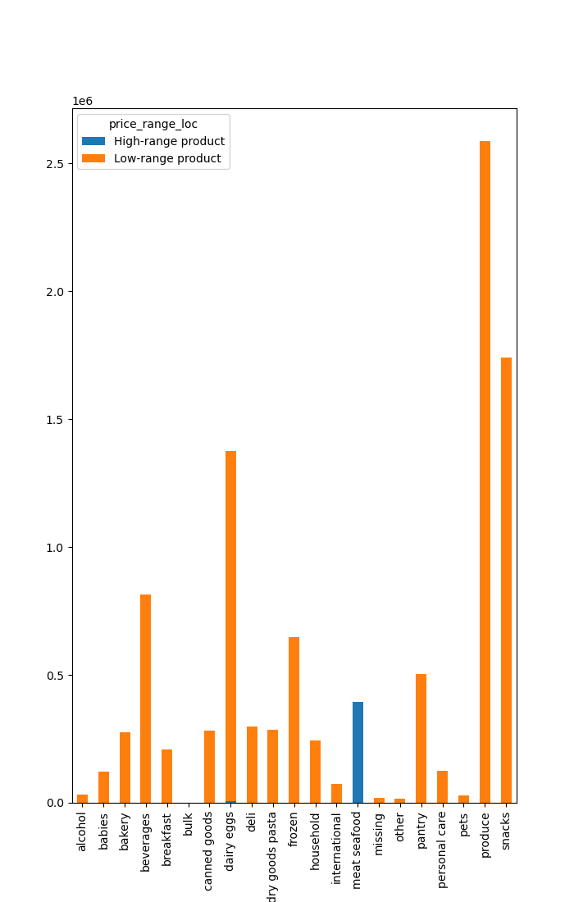

 |  | Most of the high prices items are in meat/seafood and dairy egg sections.
 |  | As vegans don’t shop in these categories, all vegans are low spenders compared to the non-vegans/vegetarians.

7. Recommendations
 |  |  |  |  | Title page

Recommendations

In this tab you should include any recommendations you would made to Instcart in terms of their marketing strategy based on the questions posed in the brief. Every key question has been covered in the Tasks of the Exercises - here you need to add an item - a visualisation or table/crosstable that is showing the answer in the data, acompanied by a comment from you. Please, list the questions below and add the answer underneath.

 | All visulization in detail are in sheet 6. visulization

No. | Question | Answer
1 | The sales team needs to know what the busiest days of the week and hours of the day are (i.e., the days and times with the most orders) in order to schedule ads at times when there are fewer orders. | Saturday is the busiest day and Wednesday is the least busy. The busiest hours of the day are between 10 AM to 5 PM, while the least busy are between 12 AM to 5 AM. Tuesday and Wednesday are the least busy days. To increase more orders scheduling ads during the afternoon before 5 PM would be good. as its almost mid of working week, adding ready to eat easy products might be appealing and fresh produces as produces are the most favourite cateogry. Please see the bar chart for more.
2 | They also want to know whether there are particular times of the day when people spend the most money, as this might inform the type of products they advertise at these times. | even though the spedingd are high during the day(10AM to 5 PM). However early morning 2-3 AM shows unusal spike in terms of spending. | 
3 | Instacart has a lot of products with different price tags. Marketing and sales want to use simpler price range groupings to help direct their efforts. | price_range_loc provides this information. If the price range is needed for say, department wise, a table can be created with the information. |  | 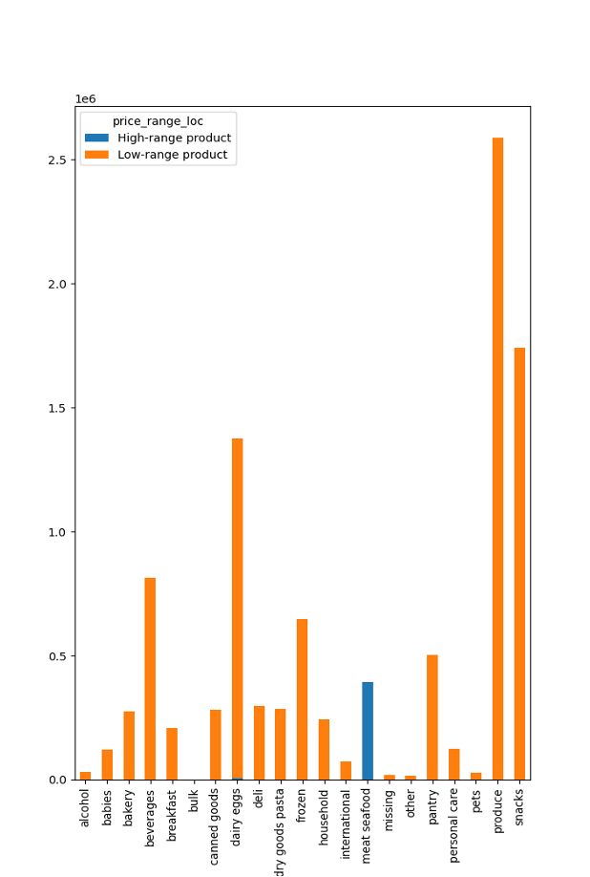
4 | Are there certain types of products that are more popular than others? The marketing and sales teams want to know which departments have the highest frequency of product orders | 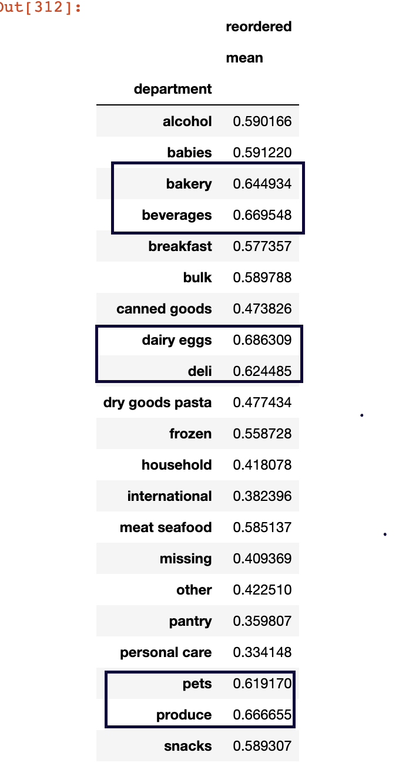 dairy/eggs, produce , bevarages are the most reordered product categories. I believe this might be related to the shelf life and frequently ordered items are those with short shelf life. The least reordered products are personal care, pantry and international.
6 | What’s the distribution among users in regards to their brand loyalty (i.e., how often do they return to Instacart)? | 51% are loyal customers, 33 % are regular and only 16% are new customers. |  | 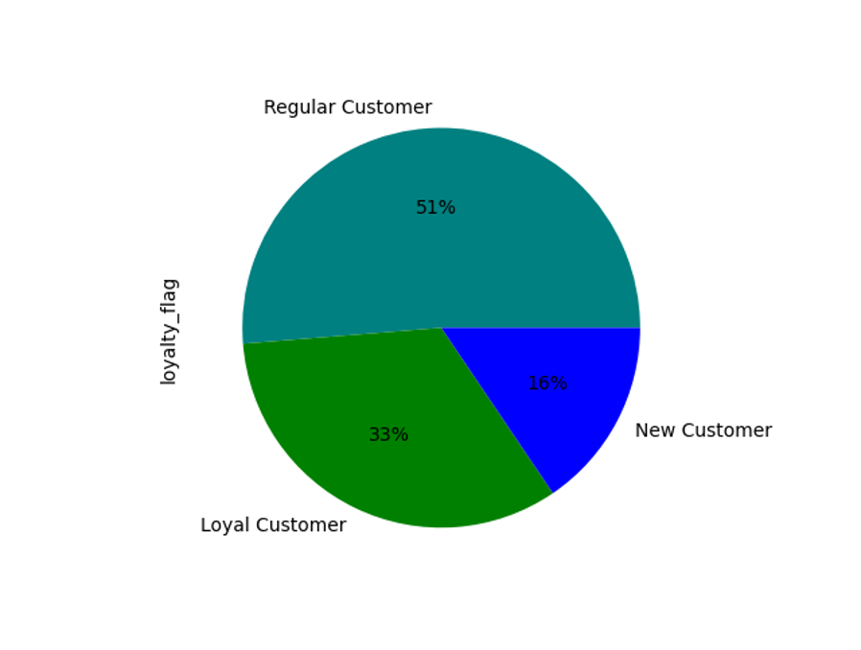
7 | Are there differences in ordering habits based on a customer’s loyalty status? | Most loyal customers shop on Saturday and sundays. Other habits based on their age and marital state are added in the visualization. There are no difference based on the loyalty of customer.
8 | Are there differences in ordering habits based on a customer’s region? | For all the top 5 departments, i.e., produce, dairy eggs, snacks, beverages, frozen with the highest sales records, most of the customers are from the South region followed by West, Midwest and North East. The orders are inline with number of customers. South has the most customers followed by west, mid-west and north east. If we can check the seasonal orders among these regions, we might be able to find differences considering the weather also different. | 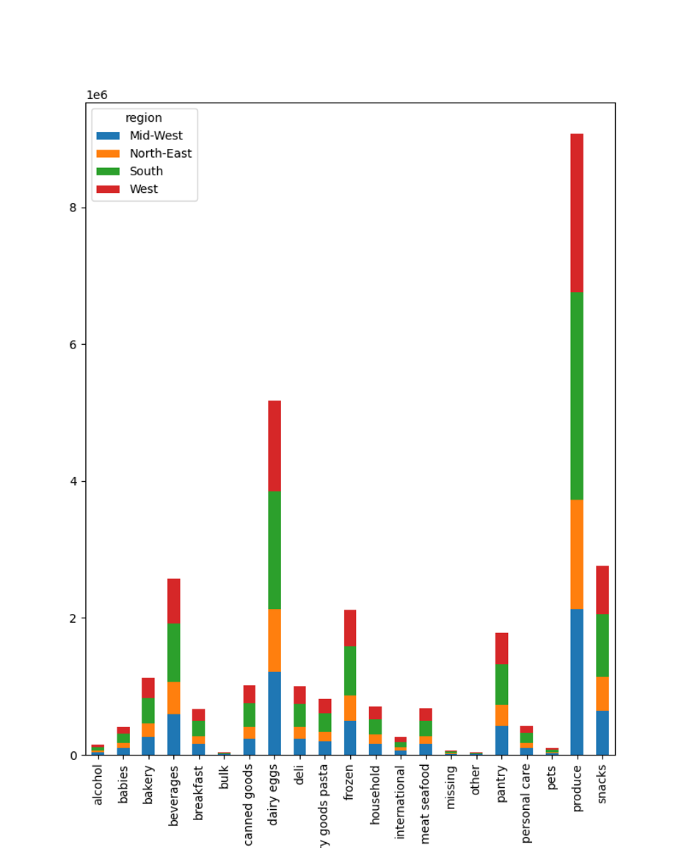
9 | Is there a connection between age and family status in terms of ordering habits? | Married families(1-2 dependents) are the most ordering customers. But age to family, there are no relation found. Most family people orders from produce, bakery, bevarages. | 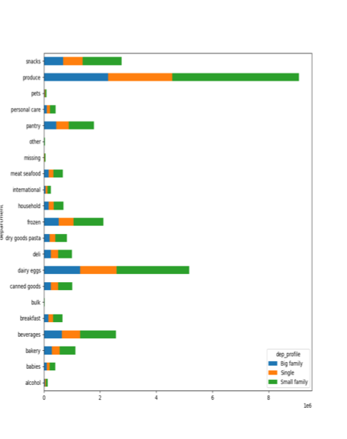
10 | What different classifications does the demographic information suggest? Age? Income? Certain types of goods? Family status? | most loyal frequent customers are middle aged, small families with low income. They also brings most revenue. However most shop in low value category and there are very less revenue brought by vegans. There are no difference in ordering habits between big family(3 more of dependents) and singles. This is strange considering the size of family and thier needs. | 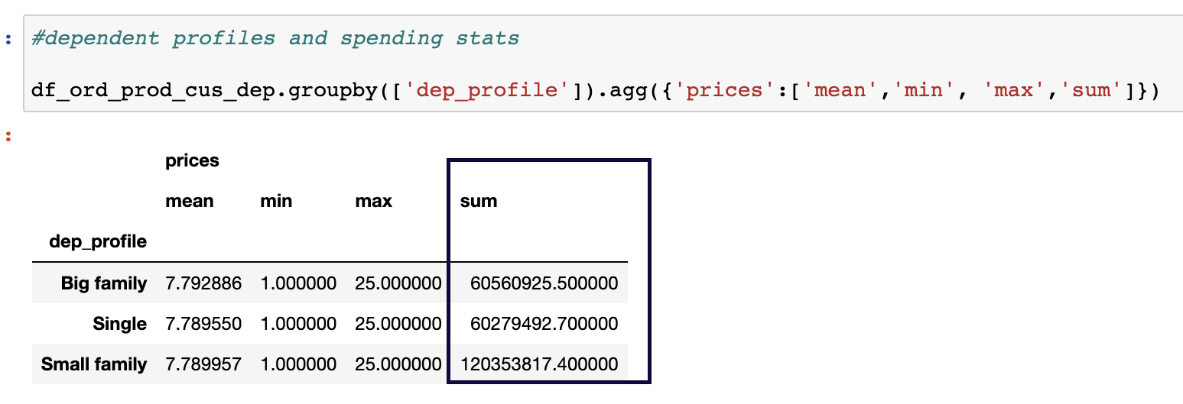 Please see the visualization in sheet 6. there are multiple for demographic based categorization.
11 | What differences can you find in ordering habits of different customer profiles? Consider the price of orders, the frequency of orders, the products customers are ordering, and anything else you can think of. | most older adults(40+) have high income compared to rest of the customer. Most loyal customers are also found this category. If we can target older age adults with high income to order more and see what categories(produce, bakery, bevarages, egg/dairy and meat) they buy the most, we can increase sales.

